Sheet1
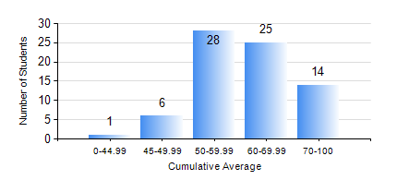
 |  |  | KWAME NKRUMAH UNIVERSITY OF SCIENCE AND TECHNOLOGY, KUMASI Department of Computer Engineering

 |  |  | BSC. BIOMEDICAL ENG.

 |  |  | COMPREHENSIVE RECORD OF EXAMINATION RESULTS

 |  |  | RESULTS OF YEAR 3 FIRST SEMESTER, 2019/2020 ACADEMIC YEAR

 | Sn | Course Code |  | Course Name | Credit Hours | Min. Mark | Max. Mark | Avg. Mark | Std. Dev. | No. Passed | No. Trailed | No. (Df) | No. (I) | No. (I*) | No. Tagged(I,I*,Df) | Total
 | 0. |  |  |  |  |  |  | 0 | 0 | 0 | 0 | 0 | 0 | 0 | 0 | 2
 | 1. | BME 397 |  | RESEARCH METHODS | 3 | 42 | 90 | 67 | 11.75 | 72 | 0 | 0 | 0 | 0 | 0 | 72
 | 2. | COE 351 |  | OBJECT ORIENTED PROGRAMMING | 4 | 15 | 81 | 51 | 16.57 | 62 | 10 | 0 | 0 | 0 | 0 | 72
 | 3. | COE 371 |  | LINEAR ELECTRONIC CIRCUITS | 3 | 17 | 73 | 49 | 9.52 | 68 | 4 | 0 | 0 | 0 | 0 | 72
 | 4. | COE 381 |  | MICROPROCESSORS | 3 | 6 | 87 | 52 | 16.14 | 67 | 5 | 0 | 0 | 0 | 0 | 72
 | 5. | MATH 351 |  | NUMERICAL METHODS | 2 | 12 | 75 | 53 | 10.96 | 69 | 3 | 0 | 0 | 0 | 0 | 72
 | 6. | MATH 353 |  | PROBABILITY AND STATISTICS I | 2 | 53 | 91 | 71 | 9.06 | 72 | 0 | 0 | 0 | 0 | 0 | 72
 | 7. | TE 385 |  | SIGNALS AND SYSTEMS | 3 | 25 | 79 | 52 | 14.71 | 60 | 12 | 0 | 0 | 0 | 0 | 72

